SCRIPT
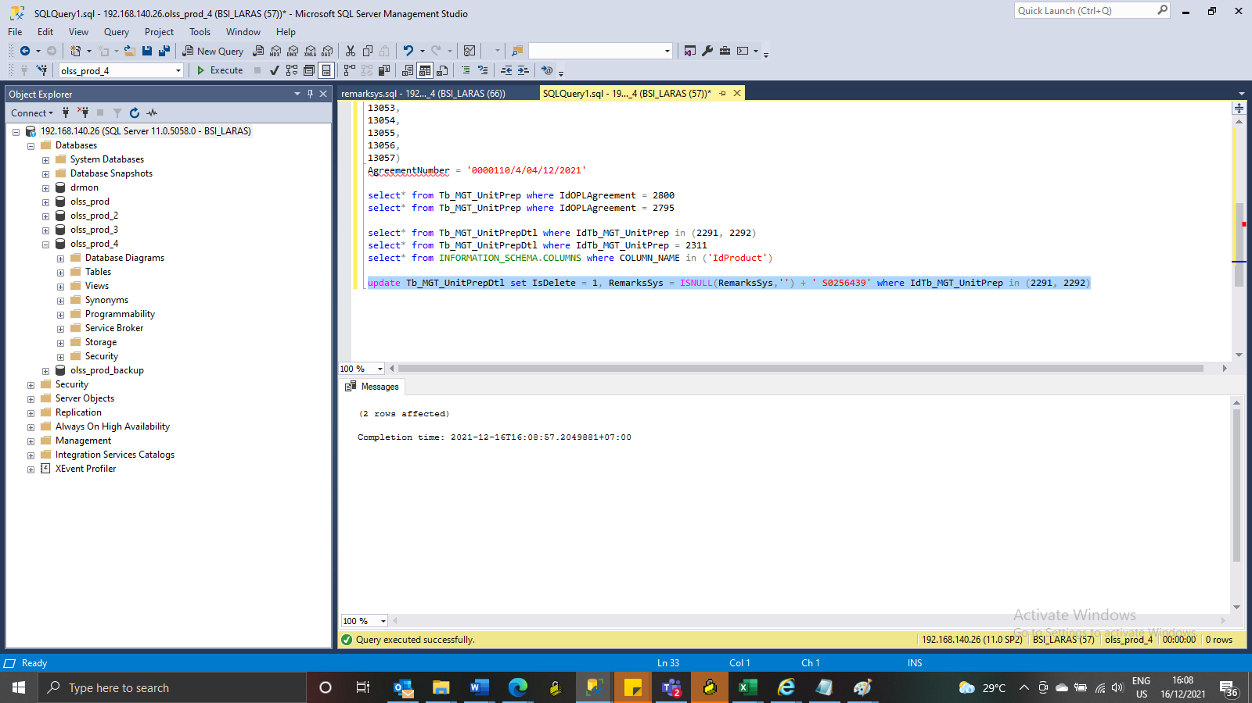
update Tb_MGT_UnitPrepDtl set IsDelete = 1, RemarksSys = ISNULL(RemarksSys,'') + ' S0256439' where IdTb_MGT_UnitPrep in (2291, 2292)

SS
BEFORE

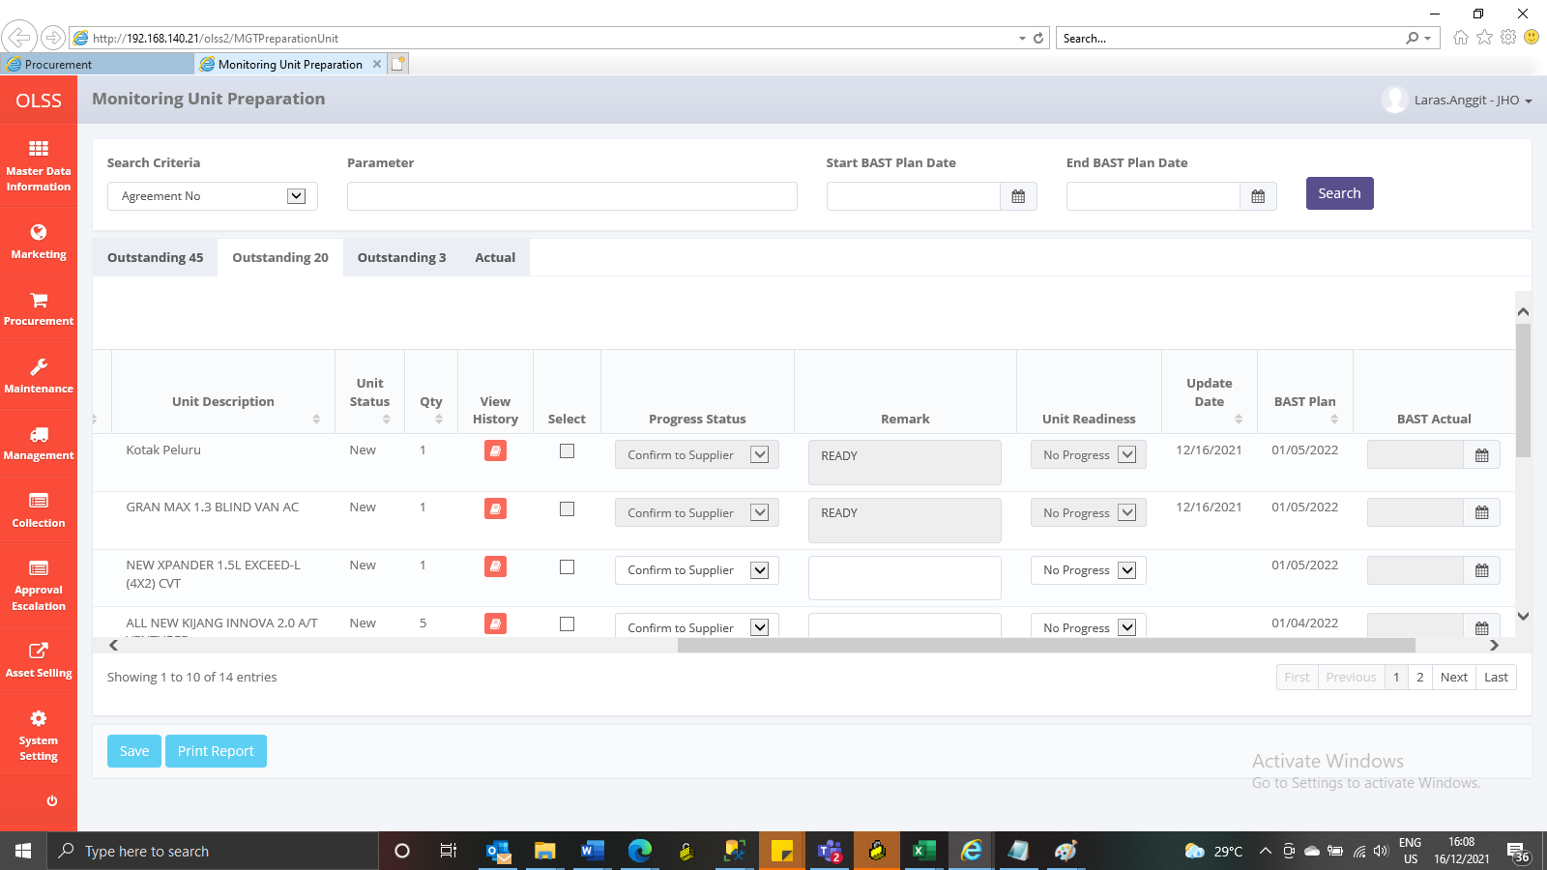

AFTER

